Sheet1
Serial No | Roll No | Name | Group No and Time | Assignment No. | Anydesk ID
1 | 19EC10074 | Yash Sharma | Group 1 (2pm to 3pm) | 16 | ID | 175793737

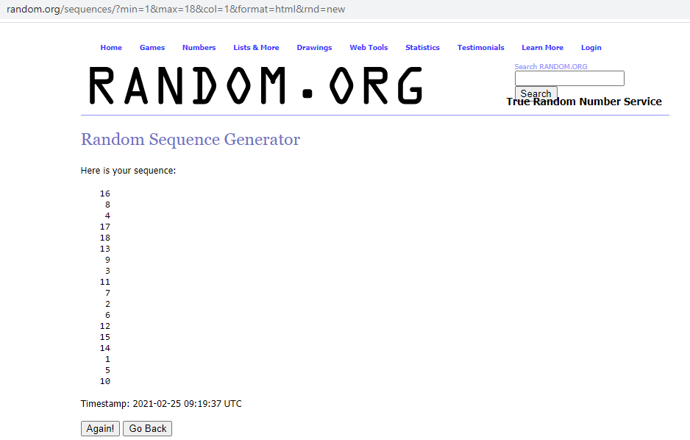
2 | 19EC10076 | Shrayam Mitra |  | 8 | ID | 421021204

3 | 19EC10078 | Dikshant Pratap Singh |  | 4 | ID | 145908609

4 | 19EC10080 | Geddam Ashlesh Kumar |  | 17 | ID | 497289180

5 | 19EC10082 | Subhadip Nandi |  | 18 | ID | 810768842

6 | 19EC10084 | Samyak Chakrabarty |  | 13 | ID | 451853799

7 | 19EC10086 | Shruti Shreyasi |  | 9 | ID | 667472172

8 | 19EC10088 | Sounak Mandal | Group 2 (3pm to 4 pm) | 3 | ID | 175793737

9 | 19EC30002 | Abhisht Bose |  | 11 | ID | 421021204

10 | 19EC30004 | Anandapu Dheeraj |  | 7 | ID | 145908609

11 | 19EC30006 | Arsh Agarwal |  | 2 | ID | 497289180

12 | 19EC30008 | Bbiswabasu Roy |  | 6 | ID | 810768842

13 | 19EC30010 | Cheruvu Surya Sai Ram |  | 12 | ID | 451853799

14 | 19EC30012 | Devraj Priyadarshi | Group 3 (4pm to 5pm) | 15 | ID | 175793737

15 | 19EC30014 | Gandham Setty Vinay Venkata Sai |  | 14 | ID | 421021204

16 | 19EC30018 | Hemant Meena |  | 1 | ID | 145908609

17 | 19EC30016 | Harsha Rajendra Kurane |  | 5 | ID | 497289180

18 | 19EC30050 | Vikas P S |  | 10 | ID | 810768842

